Project4284
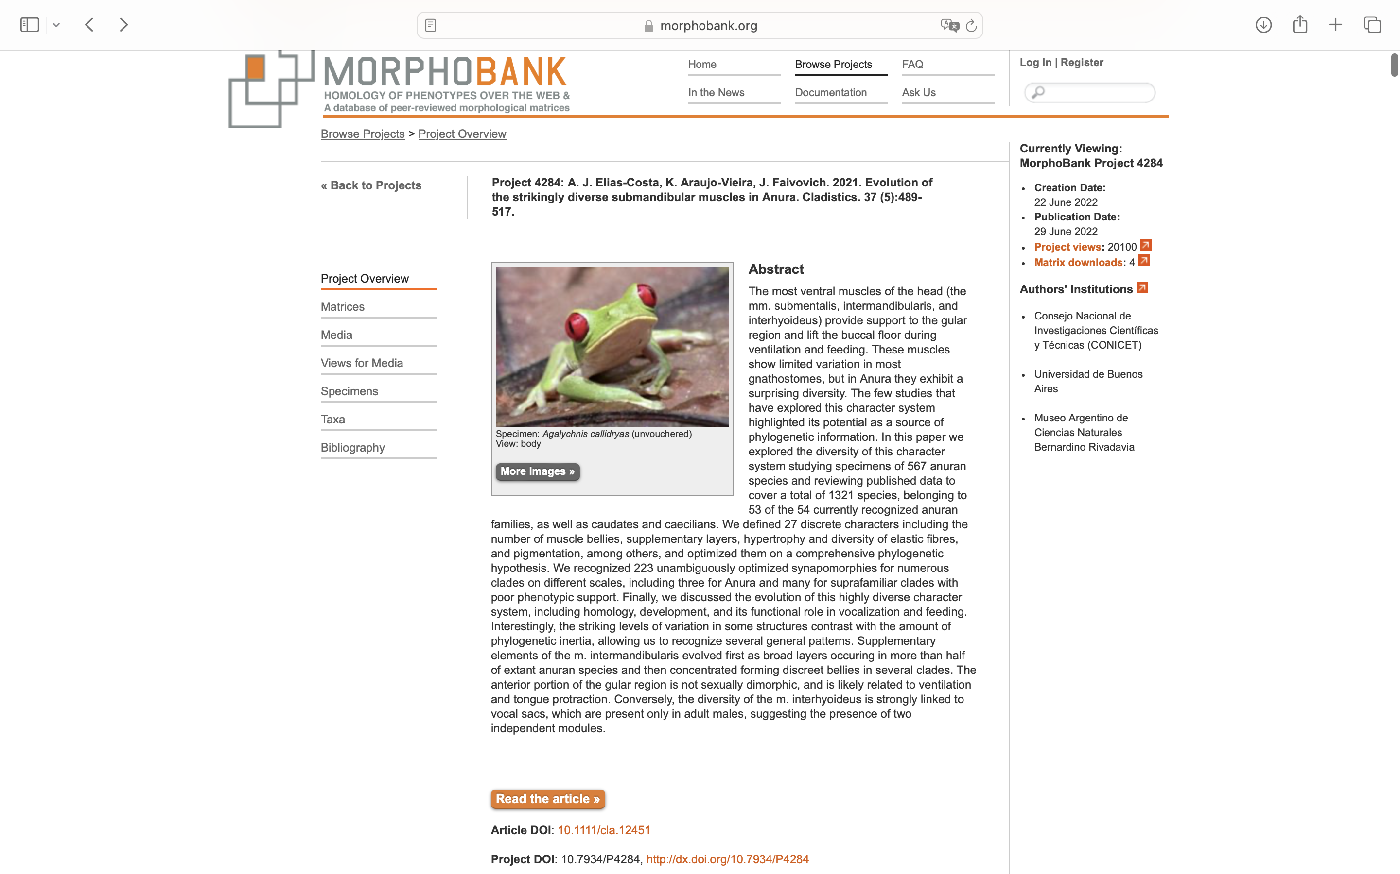
Charlabels | Character Pattern | Unseen States
[1] 'M submentalis, number of bellies' | Transformational | YES
[2] 'M intermandibularis, number of bellies of the principal element' | Transformational | NO
[3] 'If 1=0, extension of the origin of the body of the m intermandibularis' | Transformational | YES
[4] 'If 1=1, Relationship between the two bodies M intermandibularis,' | Transformational | YES
[5] 'M intermandibularis, nature of medial interruption' | Transformational | YES
[6] 'M intermandibularis, medial interruption in most anterior fibers' | Neomorphic | NO
[7] 'M intermandibularis, anteromedially-oriented supplementary fibers' | Transformational | YES
[8] 'M intermandibularis, origin of anterolateral supplementary fibers' | Neomorphic | NO
[9] 'M intermandibularis, insertion of anterolateral supplementary element' | Transformational | YES
[10] 'M intermandibularis, posteromedially-oriented supplementary fibers' | NT?;0=0-;1=11;2=12;3=13
[11] 'If 9=0, M intermandibularis, contact of contralateral, posteromedially-oriented supplementary fibers' | Transformational | YES
[12] 'M intermandibularis, posterolateral supplementary element' | NT?;0=0-;1=11;2=12
[13] 'Relationship between m intermandibularis and m interhyoideus' | Transformational | YES
[14] 'M interhyoideus, number of bellies' | Transformational | YES
[15] 'M interhyoideus, nature of medial interruption' | Transformational | YES
[16] 'M interhyoideus, dorsal fold' | Neomorphic | NO
[17] 'M interhyoideus, insertion in pectoral girdle' | NT?;0=0-;1=11;2=12;3=13
[18] 'M interhyoideus, lateral expansion near origin of fibers' | NT?;0=0-;1=11;2=12
[19] 'M interhyoideus, shape of subgular portion' | Transformational | YES
[20] 'M interhyoideus, attatchment to the fascia dorsalis' | Neomorphic | NO
[21] 'M interhyoideus, criss-crossed supplementary fibers' | Neomorphic | NO
[22] 'M interhyoideus, antero-posteriorly oriented supplementary fibers' | NT?;0=0-;1=11;2=12
[23] 'M interhyoideus, hypertrophy of elastic component' | Neomorphic | NO
[24] 'M interhyoideus, distribution of elastic areas' | Transformational | YES
[25] 'M interhyoideus, nature of myo-integumentary contact' | NT?;0=0-;1=11;2=12
[26] 'M pectoromandibular' | Neomorphic | NO
[27] 'Sexually dimorphic pigmentation in the posterior portion of m interhyoideus' | Neomorphic | NO

